Sheet1
Brand | Item Description | Barcode | Qty | Ctn | RRP | Image | Line RRP
Street Beans | Street Beanz Jumping Beans | 8710624972196 | 20,000 |  | £1.99 | 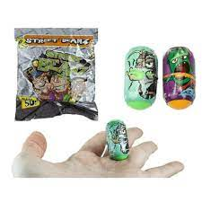 | £39,800.00
Cocomelon | Cocomelon My Magic Paint Pad | 653899045487 | 5,000 | 75 | £4.99 | 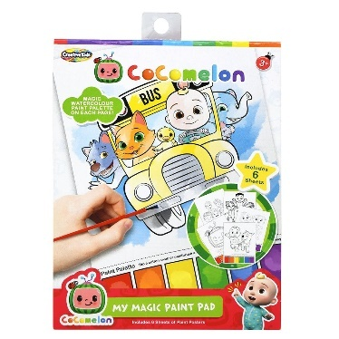 | £24,950.00
Cocomelon | Cocomelon Sand Paper Kit | 653899045456 | 10,000 | 24 | £9.99 |  | £99,900.00
Magiki | Magiki Bath Bomb | 4142755305507 | 10,000 | 6 in CDU | £3.99 | 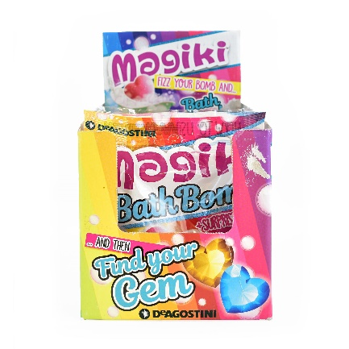 | £39,900.00
Zomlings Zom | Mobile Series 6 Blind Bag | 8431618006023 | 7,200 | 80 | £2.99 | 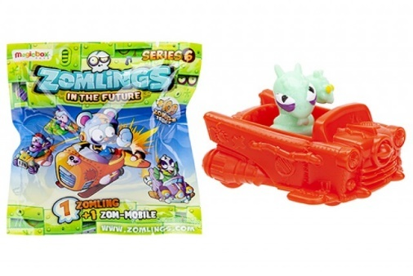 | £21,528.00
Teenage Mutant Ninja Turtles | Rollinz Mini Character Blind Bag | 9777048283061 | 3,000 | 600 | £2.99 |  | £8,970.00
Mini Magnetizers | Surprize Balls Small Animal Plush (Assorted) | 5050565351777 | 1,680 | 24 | £4.99 |  | £8,383.20
Marvel Avengers | Megapopz Mini Blind Bags (Display boxes) | 8032917621094 | 25,632 | 144 | £2.99 | 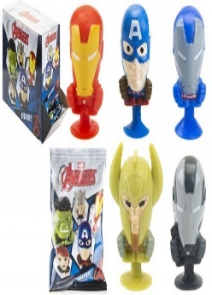 | £76,639.68
 |  |  | 82,512 |  |  |  | £320,070.88

